Sheet1
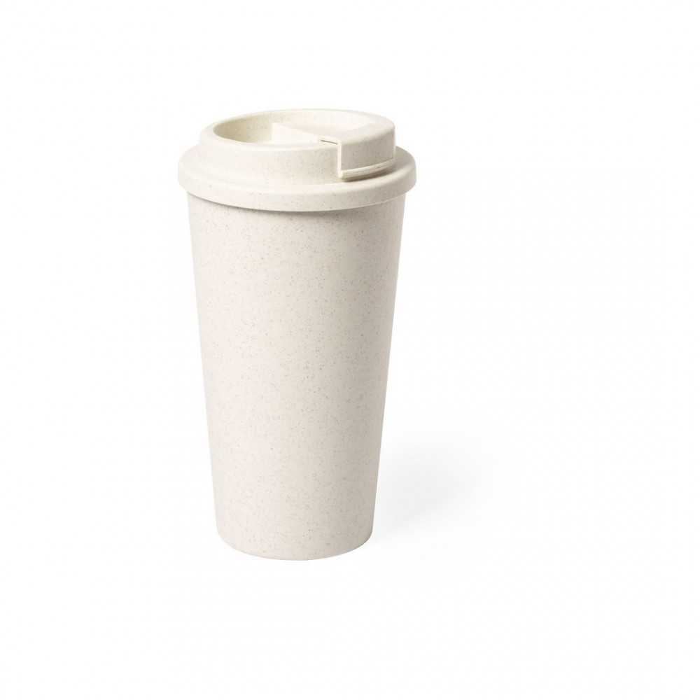
Picture | Item code | Description | Extra information | Restriction | Stock | Sales price EXW | Retail price | Barcode | Quantity PU | Quantity pallet | Pallet | Origin | Customs code | Item weight | Languages on package | Group
 | S-10149 | tumbler with lid GARLAX natural 480ml | 6548013000 | no sales in europe | 8797 | 0.39 |  |  | 30 | 1200 | Chep pallet 120x100 | CN | 39241000 | 140 |  | tumbler with lid GARLAX natural 480ml

